Sheet1
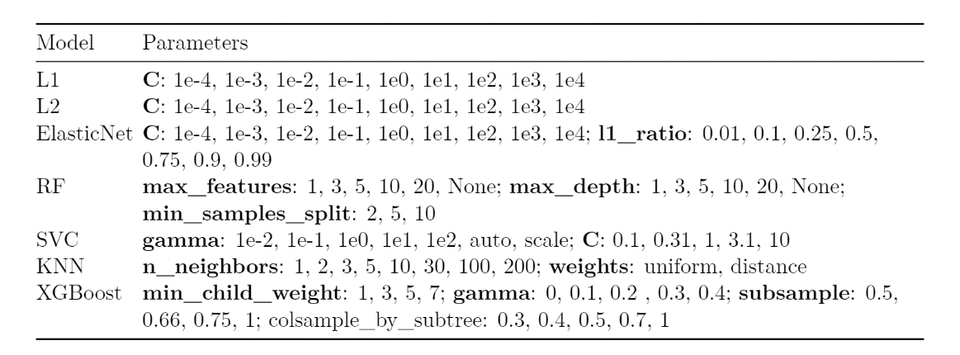
Model | Hyper Parameter | Search Space
L1 | C | 10 values of logspace from -5 to 5 with base 10
L2 | C | 10 values of logspace from -5 to 5 with base 10
ElasticNet | C | 10 values of logspace from -5 to 5 with base 10
 | l1 ratio | 0.1, 0.3, 0.5, 0.7, 0.9
RandomForest | max_depth | 1, 2, 3, 5, 10, 15, 20, 30, 50
 | max_features | 2, 5, 10, 15, 20
SVM | C | 0.001, 0.01, 0.1, 1, 10, 100, 1000
 | gamma | 0.001, 0.01, 0.1, 1, 10, 100, 1000
XGBoost | min_child_weight | 1, 3, 5, 7
 | gamma | 0, 0.1, 0.2, 0.3, 0.4
 | subsample | 0.3, 0.4, 0.5, 0.7, 1
 | colsample_by_subtree | 0.5, 0.66, 0.75, 1

